Defect1
Test Case Name | Pagination is breaking by entering equal or more than 6 pages
Description | Pagination is breaking by entering equal or more than 6 pages
Steps To Replecate The Issue |  | Expected Results: | Pagination should show 5 out of 5 because 5 is the page limit
1) Login |  | Actual Results: | 6 out of 5 is showing for its pagination
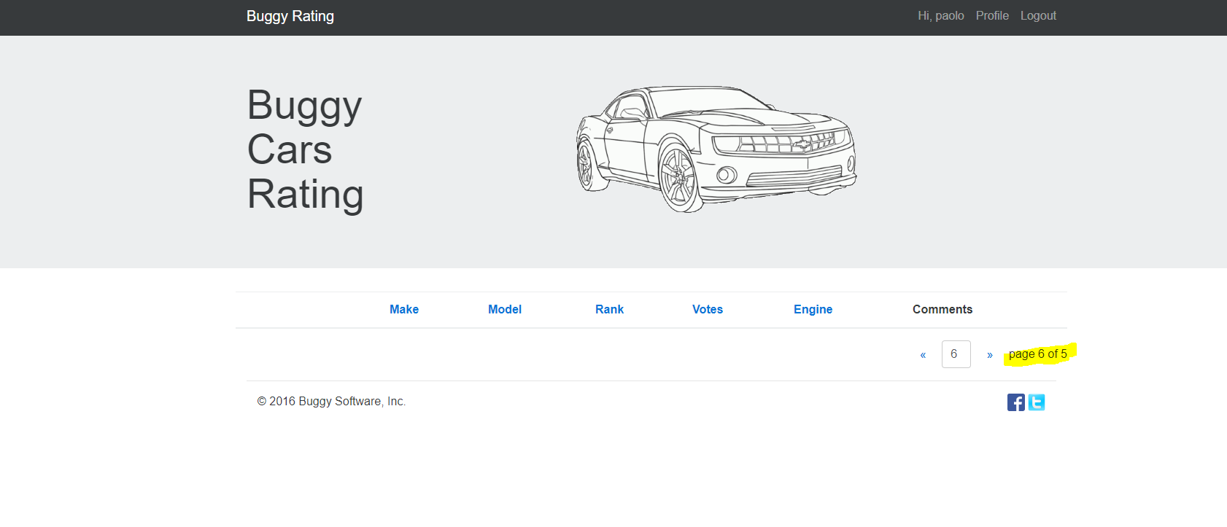
2) Go to overall settings
3) Change the pagination number to 6

Defect2
Test Case Name | When choosing "knitting" as hobbies causes an error
Description | When choosing "knitting" as hobbies causes an error
Steps To Replecate The Issue |  | Expected Results: | System should save the changes
1) Login |  | Actual Results: | error occurred
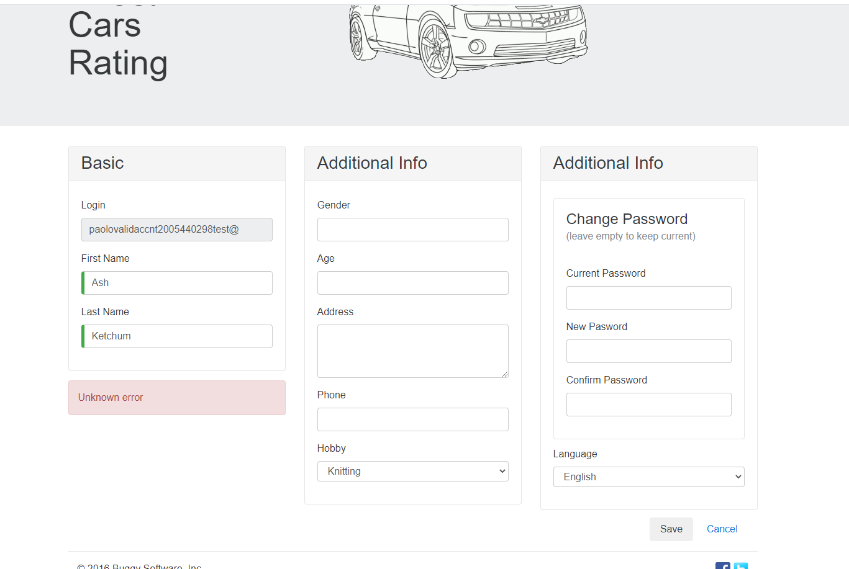
2) Go to Profile
3) Update hobbies to Knitting and save

Defect3
Test Case Name | Error warning is not clear
Description | "InvalidPasswordException: Password did not conform with policy: Password must have symbol characters" error should show the prescribed and correct error handlin messages. Error message should be more descriptive in regards to accepted format
Steps To Replecate The Issue |  | Expected Results: | InvalidPasswordExecption is being displayed
1) Login |  | Actual Results: | Password policy should be more clear and descriptive.
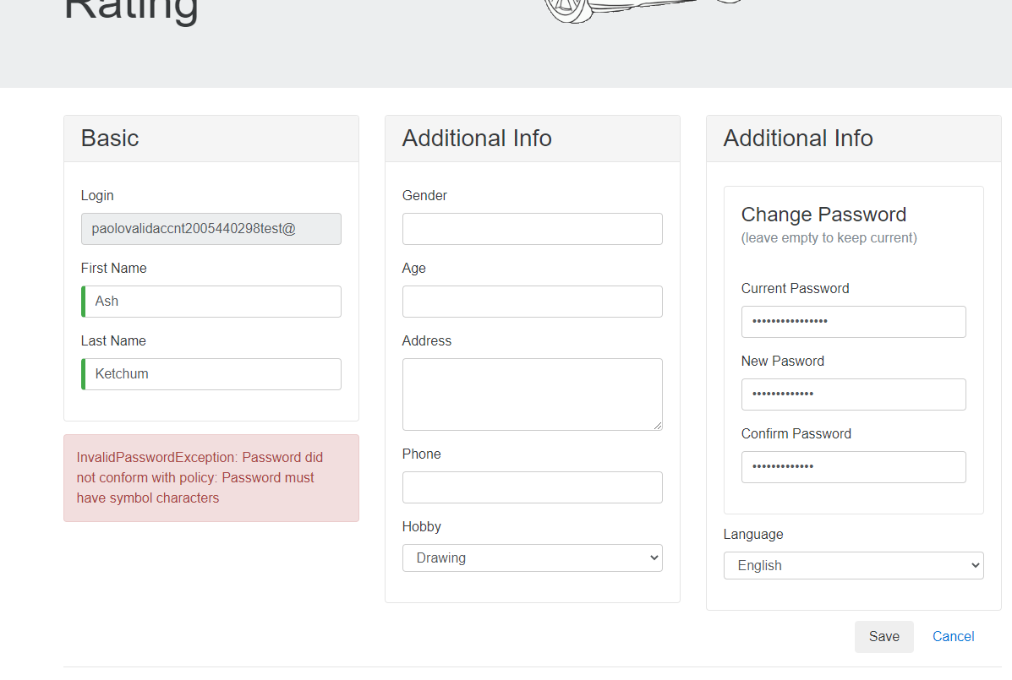
2) Go to Profile
3) Update the password to "Paolomondelo111"

Defect4
Test Case Name | Image for Lancia Ypsilon is broken
Description | Broken Image (Lancia Ypsilon)
Steps To Replecate The Issue |  | Expected Results: | Image should not be broken
1) Login |  | Actual Results: | Image is broken and missing
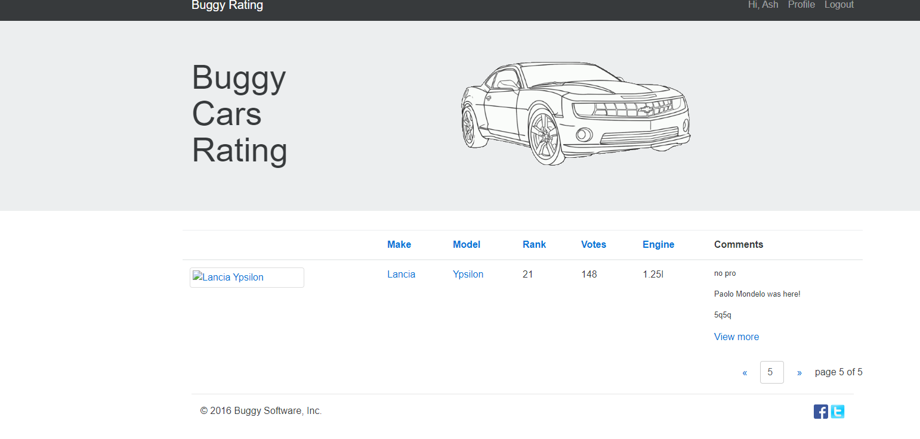
2) Go to overall settings
3)Locate Lancia Ypsilon

Defect5
Test Case Name | User cannot vote when voting for Lancia Stratos
Description | Overall Rating Lancia Stratos not working, user cant vote as well.
Steps To Replecate The Issue |  | Expected Results: | Comment and vote should work
1) Login |  | Actual Results: | Comment and voting is not working
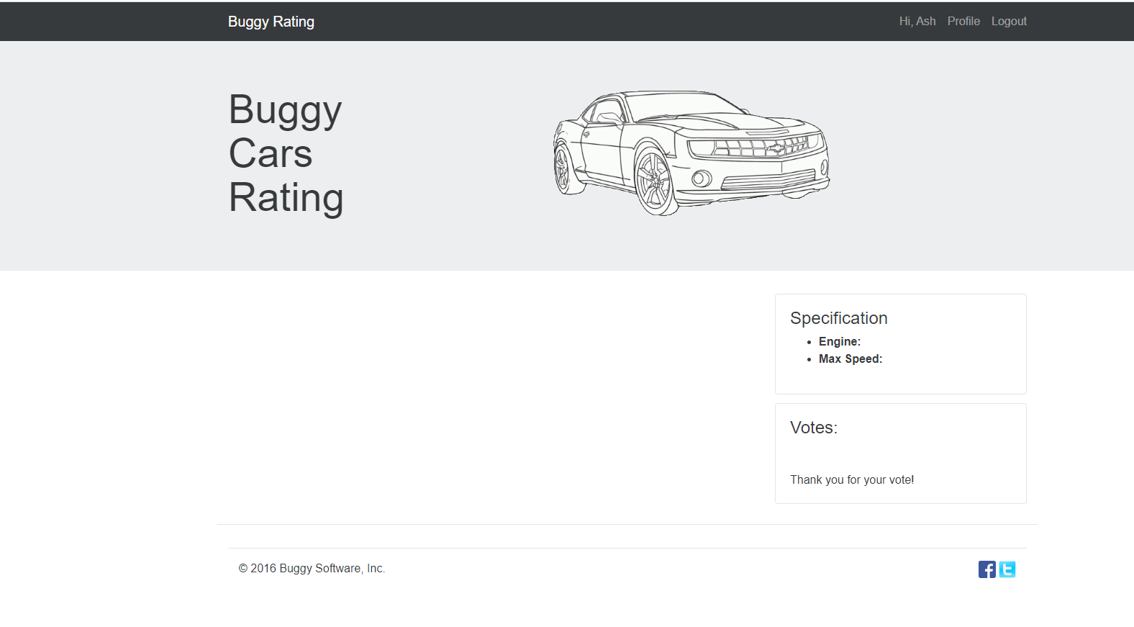
2) Go to overall settings
3)Locate Lancia Stratos
4) Vote and comment

Defect6
Test Case Name | Home buttonfor buggy rating page is not working (Popular Make).Broken hyperlink.
Description | Broken hyperlink
Steps To Replecate The Issue |  | Expected Results: | After clicking the buggy rating link, it should redirect the user to the homepage
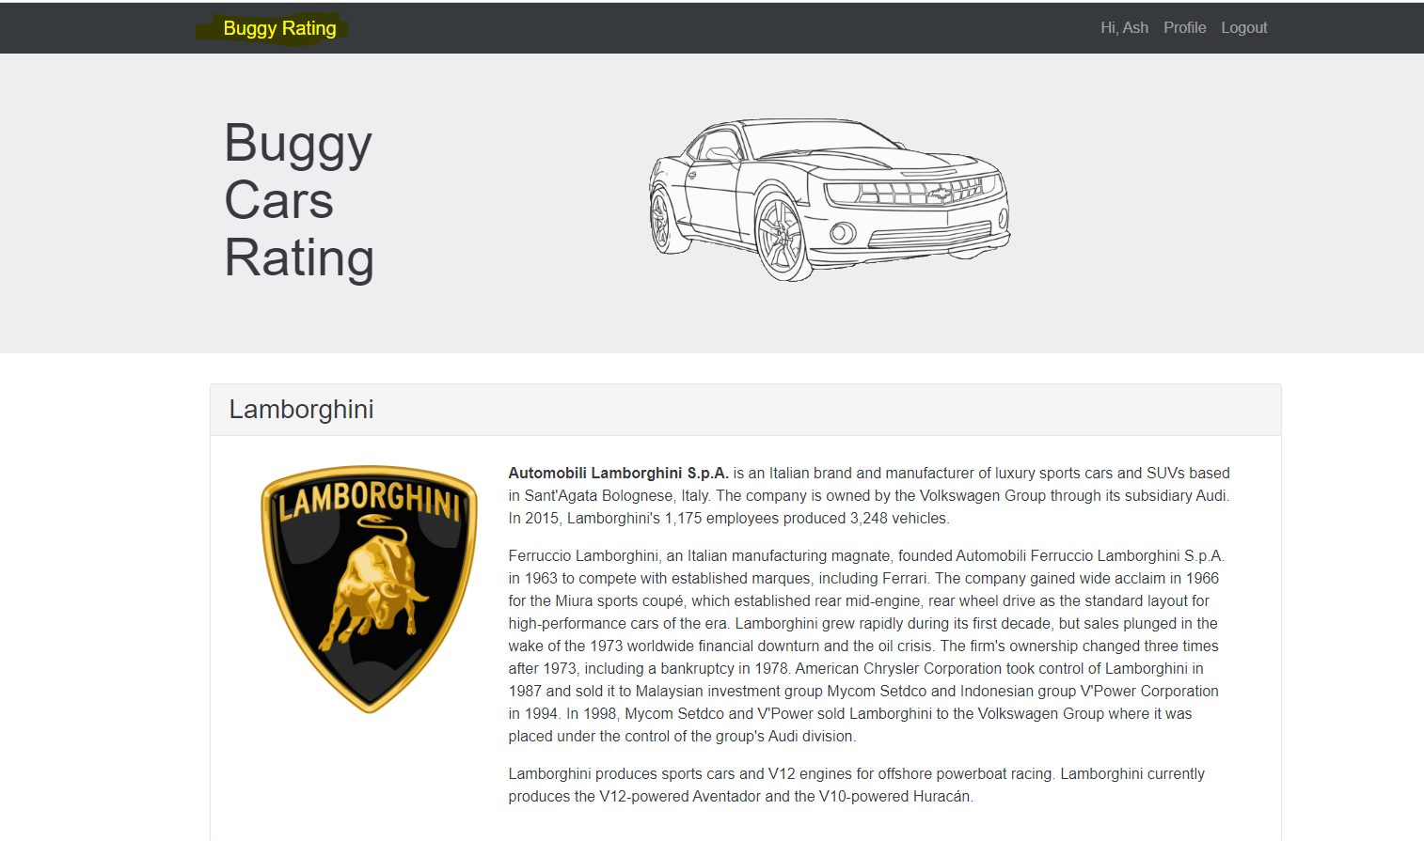
1) Login |  | Actual Results: | Dead link. It is not being redirected to the homepage.
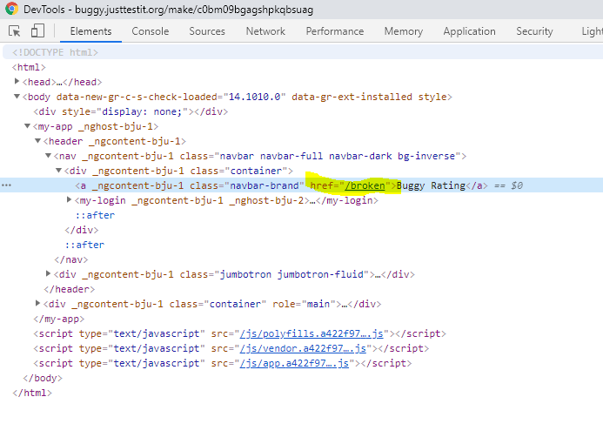
2) Go to popular make
3)Click the Buggy Rating logo

Defect7
Test Case Name | Doesn’t show the limit of char in a text box.Comment text area # allowed of characters should be displayed and should be clear.
Description | Doesn’t show the limit of char in a text box.Comment text area # allowed of characters should be displayed and should be clear.
Steps To Replecate The Issue |  | Expected Results: | App should show the allowed char numbers for comments
 |  | Actual Results: | "Comment is too long " error message was displayed
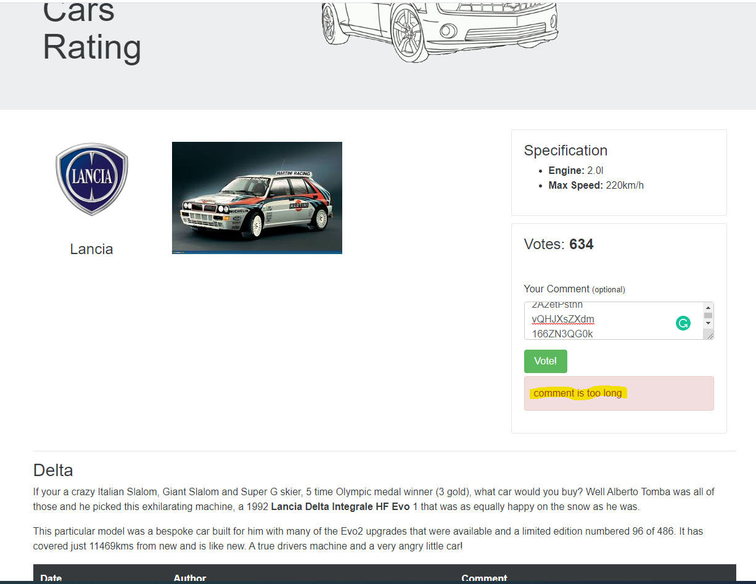
1) Login
2) Choose a car. Example Lancia Delta.
3) Enter more than 500 characters and vote

Defect8
Test Case Name | Long char in comments text area when enteren more than 120 chars
Description
Steps To Replecate The Issue |  | Expected Results: | Comment box should not be broken.Comments should also be wrapped.
1)Login |  | Actual Results: | comment box width is broken and also it is not consistent with other pages.
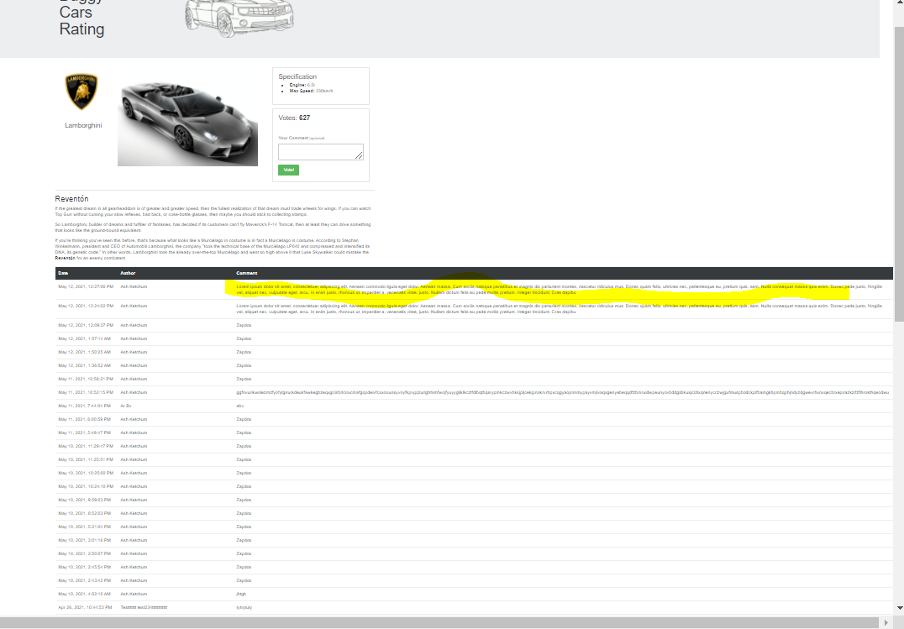
2) Choose a car.
3) Comment and vote with more than 120 chars

Defect9
Test Case Name | vote sorting is not sorting properly (Popular Make)
Description | vote sorting is not sorting properly (Popular Make)
Steps To Replecate The Issue |  | Expected Results: | Sorting should work. It should arrange values by ascending or descending matter
1) Login |  | Actual Results: | Sorting for values is not working
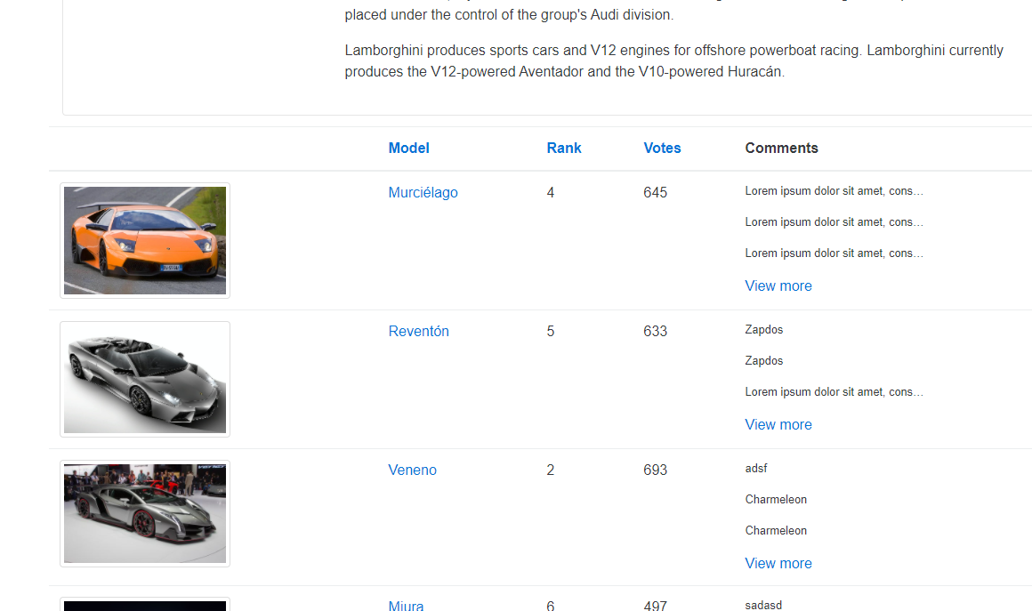
2) Sort votes for overall rating and popular make

Defect10
Test Case Name | rank sorting is not sorting (Popular Make)
Description | rank sorting is not sorting (Popular Make)
Steps To Replecate The Issue |  | Expected Results: | Sorting should work. It should arrange values by ascending or descending matter
1) Login |  | Actual Results: | Sorting for values is not working
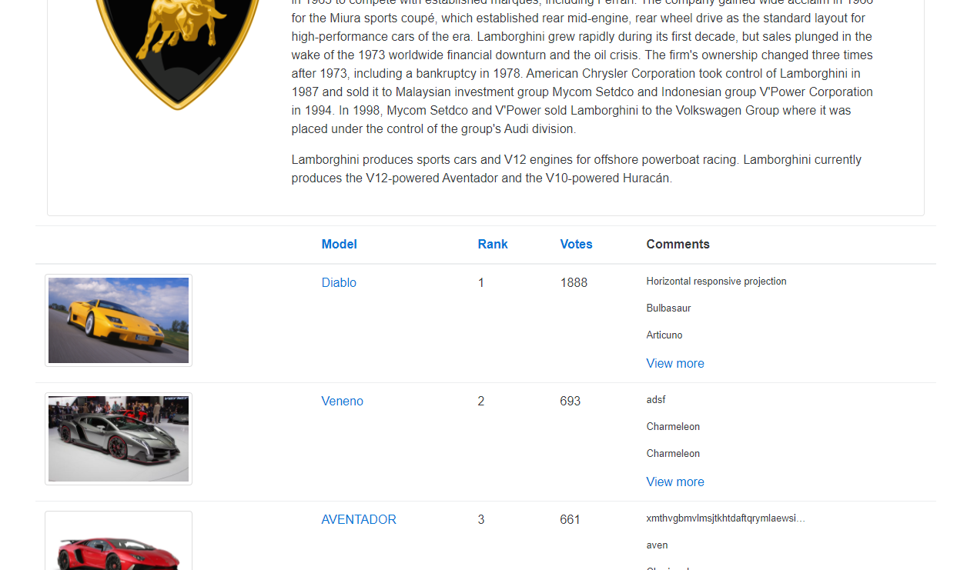
2) Sort rank for overall rating and popular make

Defect12
Test Case Name | author not populated well
Description | author not populated well
Steps To Replecate The Issue |  | Expected Results: | Author should be populated
1) Login |  | Actual Results: | Author column is not populated
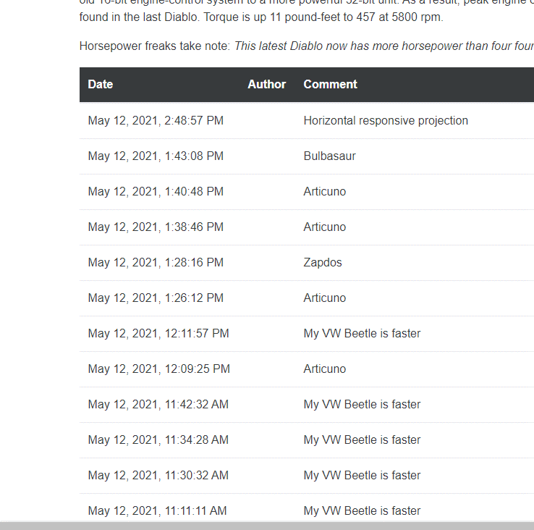
2) Vote and comment for cars like Diablo, Zonda,Guilia Quadrifoglio,Rally037,Huayra,Veneno, and Aventador.

Defect13
Test Case Name | rank sorting is not sorting properly(Overall Ratings)
Description | rank sorting is not sorting properly(Overall Ratings)
Steps To Replecate The Issue |  | Expected Results: | Rank should be sorted (Ascending or descending)
1) Login |  | Actual Results: | Rank sorting is not working
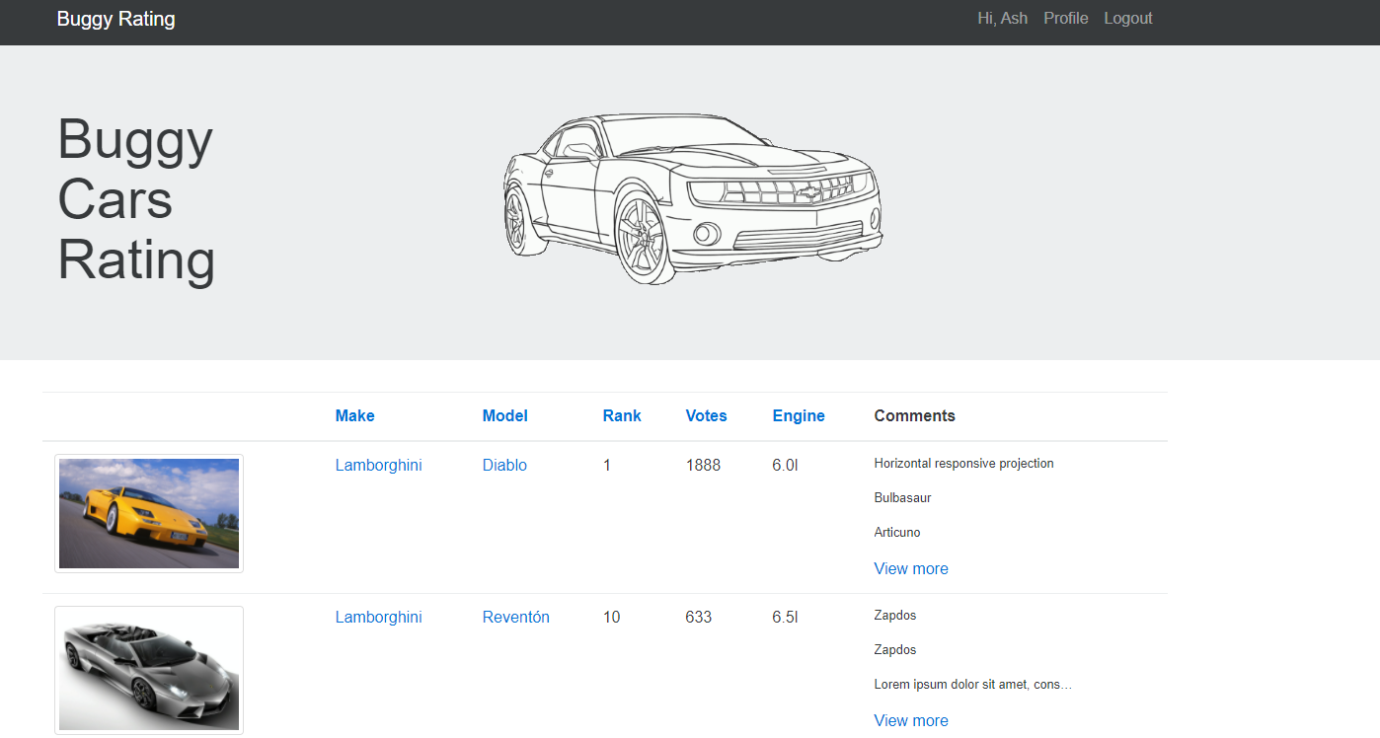
2) Sort rank for overall rating

Defect14
Test Case Name | app should throw a descriptive error message when entering an invalid age and should not display "Get a candy ;)" as its message
Description | Validate that app should throw a descriptive error message when entering an invalid age and should not display "Get a candy ;)" as its message
Steps To Replecate The Issue |  | Expected Results: | App should display proper handling
1) Login |  | Actual Results: | App throws a "Get a candy;)" warning
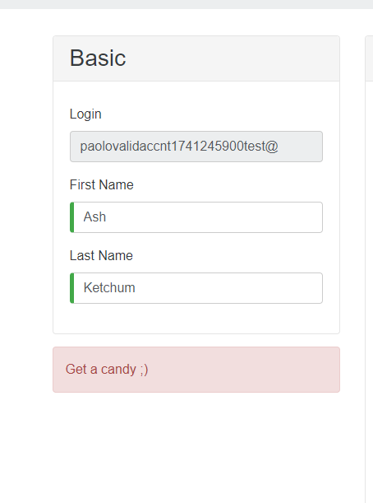
2) Update Profile
3) Update Age : -0.5

Defect15
Test Case Name | vote sorting is not sorting (Overall Ratings)
Description | vote sorting is not sorting (Overall Ratings)
Steps To Replecate The Issue |  | Expected Results: | Sorting should work. It should arrange values by ascending or descending matter
1) Login |  | Actual Results: | Sorting for vote is not working
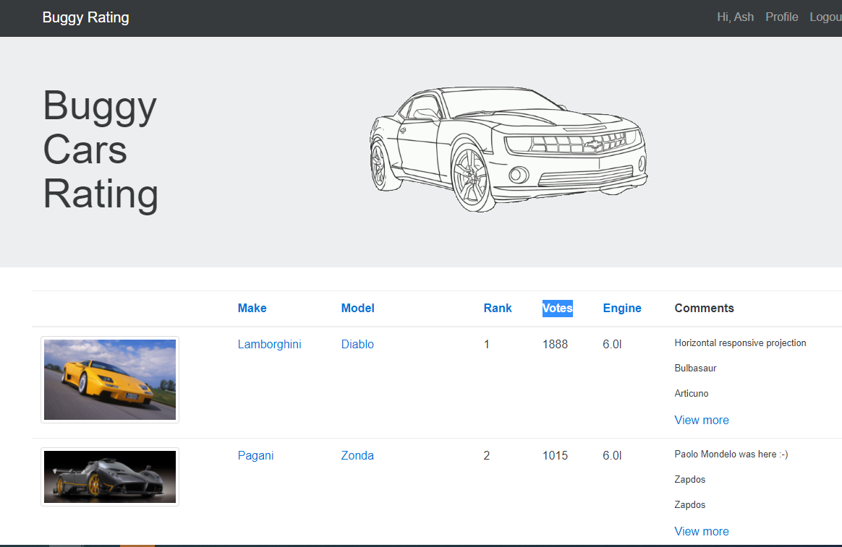
2) Sort vote for overall rating

Defect16
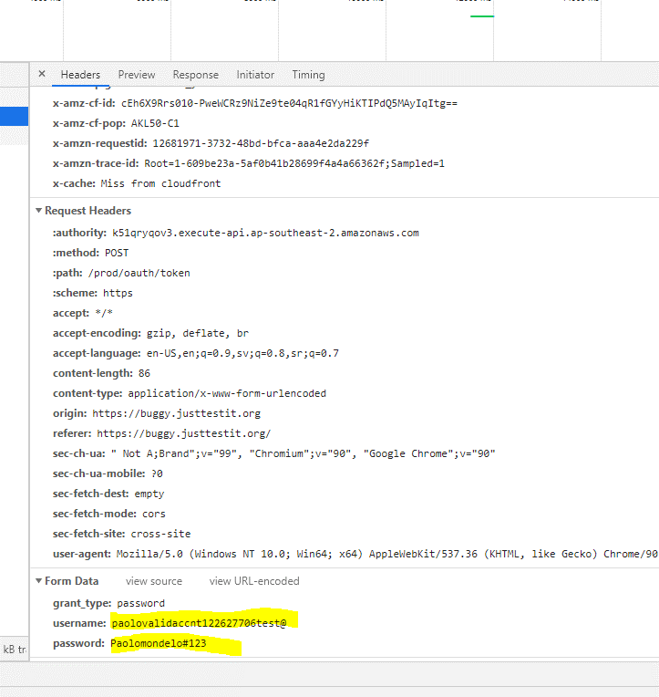
Test Case Name | exposed pword
Description | exposed pword
Steps To Replecate The Issue |  | Expected Results: | Password should be hidden. This is a security risk.
1) Login |  | Actual Results: | Password is displayed.
2) Turn on web dev tools or fiddler or any packet sniffing tool

Defect17
Test Case Name | I still can register after logging in
Description | I still can register after logging in
Steps To Replecate The Issue |  | Expected Results: | App should not allow the user to register after logging in.
 |  | Actual Results: | App allowed the user to register while logged in.
1) Login
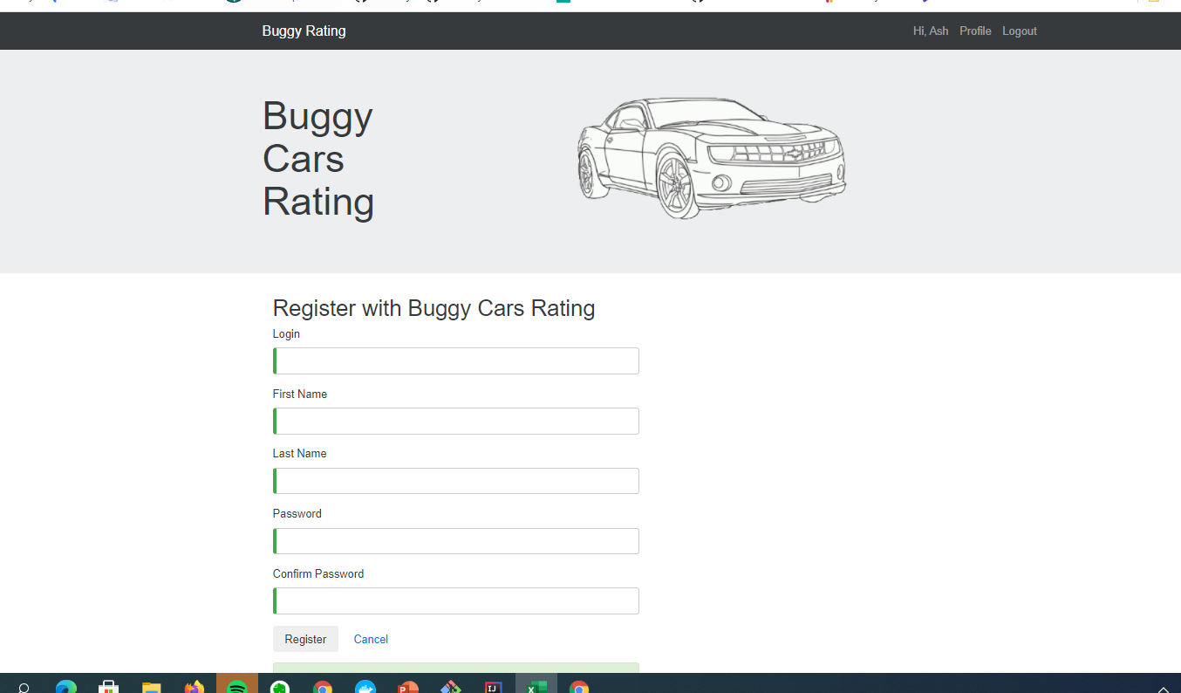
2)After logging in.Go to "https://buggy.justtestit.org/register"
3) Register a new person while logged in

Defect18
Test Case Name | While in overall ratings page, users cant logout
Description | While in overall ratings page, users cant logout
Steps To Replecate The Issue |  | Expected Results: | User should be able to logout
1) Login |  | Actual Results: | Logout link is not working
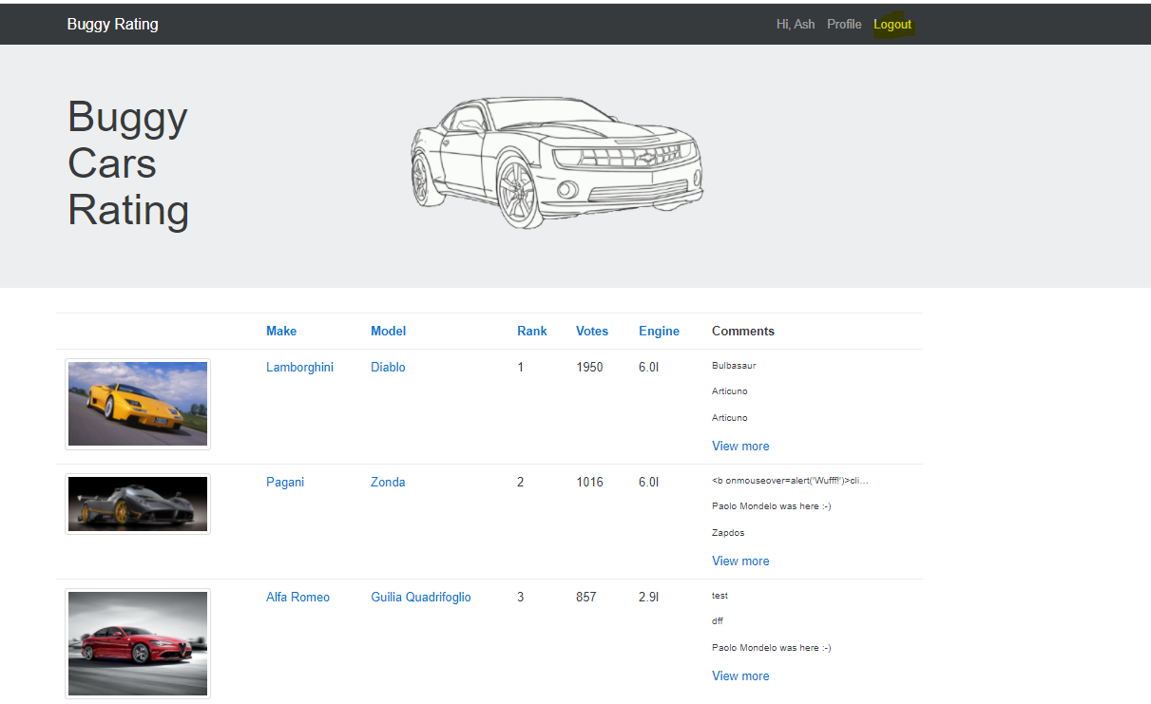
2) Go to overall ratings pages
3) Click logout

